Sheet1
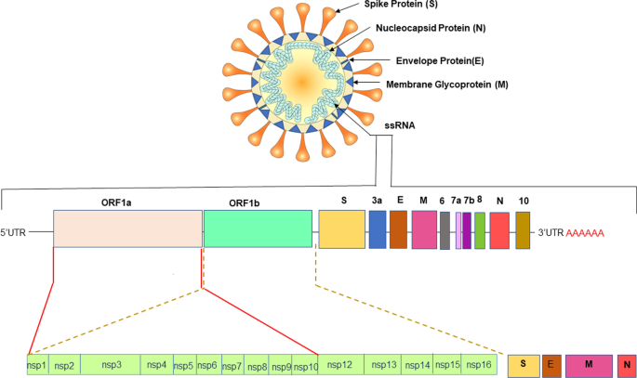

 |  | SARS-CoV-2 proteins in genome order-->

Table A.6: Results from HMMER showing SARs-CoV-2 homologs in distantly related coronaviruses
 |  |  |  |  | Matches for each viruses/strains; ID and e-value - distributed from most closely-related to Wuhan SARs-CoV-2 -> most distantly-related to Wuhan SARs-CoV-2
 |  | Wuhan SARS-CoV-2 (accession: NC_045512.2) proteins in genome order: | length |  | SARs-CoV-2 Wuhan-Hu-1/ 2020 |  |  | SARs-CoV-2 USA/KY-CDC-LC0621243/2022 |  |  | SARs-CoV-2 USA/KS-CDC-QDX36714519/2022 |  |  | SARs-CoV BJ01 |  |  | SARS coronavirus civet007
 |  | protein | (in Aas) | notes on what they do | NC_045512.2 | name or abbreviation | e-val | ON544327.1 | name or abbreviation | e-val | ON569924.1 | name or abbreviation | e-val | AY278488.2 | name or abbreviation | e-val | AY572034.1
ORF1a | ORF1b | ORF1ab | 7096 aa |  | YP_009724389.1, YP_009725295.1, YP_009725299.1, YP_009742610.1, YP_009725307.1, YP_009725308.1, YP_009725309.1, YP_009725298.1, YP_009742609.1, YP_009725300.1, YP_009742611.1, YP_009725301.1, YP_009725311.1, YP_009725310.1, YP_009725302.1, YP_009742613.1, YP_009725304.1, YP_009742615.1, YP_009725297.1, YP_009742608.1, YP_009725306.1, YP_009742617.1, YP_009725305.1, YP_009742616.1, YP_009725303.1, YP_009742614.1 | orf1ab, orf1a, nsp3, ns3, nsp12, nsp13, nsp14, nsp2,nsp2,nsp4,nsp4,nsp5, nsp16, nsp15, nsp6, nsp6, nsp8, nsp8, nsp1, nsp1, nsp10, nsp10, nsp9, nsp9, nsp7, nsp7 | 0 (first seven), 5e-242 (both nsp2), 8.4e-239 (both nsp4), 4.6e-182, 3e-167, 1.5e-165, 5.6e-124 (both nsp6), 1.4e-102 (both nsp8), 6.9e-93 (both nsp1), 9.9e-85 (both nsp10), 5.2e-59 (both nsp9), 9.4e-40 (both nsp7) | UQU75186.1, UQU75187.1 | orf1ab, orf1a | 0 (for both) | URA12862.1, URA12863.1 | orf1ab, orf1a | 0 (for both) | AAP30028.1, AAP30029.1 | orf1ab, orf1a | 0 (for both) | AAU04645.1
 |  | ORF1a | 4405 aa |  | YP_009725295.1, YP_009724389.1, YP_009725299.1, YP_009742610.1, YP_009725298.1, YP_009742609.1, YP_009725300.1, YP_009742611.1, YP_009725301.1, YP_009725302.1, YP_009742613.1, YP_009725304.1, YP_009742615.1, YP_009725306.1, YP_009742617.1, YP_009725297.1, YP_009742608.1, YP_009725305.1, YP_009742616.1, YP_009725303.1, YP_009742614.1 | orf1a, orf1ab, nsp3, nsp3, nsp2, nsp2, nsp4, nsp4, 3C-like proteinase (nsp5), nsp6, nsp6, nsp8, nsp8, nsp10, nsp10, nsp1,nsp1, nsp9, nsp9, nsp7, nsp7 | 0 (first four), 4.2e-260 (both nsp2), 4.5e-253 (both nsp4), 2.7e-192, 1.6e-132 9 (both nsp6), 5.8e-109 (both nsp8), 3.9e-95 (both nsp10), 1.5e-93 (both nsp1), 4.1e-63 (both nsp9), 1.8e-42 (both nsp7) | UQU75187.1, UQU75186.1 | orf1a, orf1ab | 0 (for both) | URA12863.1, URA12862.1 | ORF1a, ORF1ab | 0 (for both) | AAP30029.1, AAP30028.1 | ORF1a, ORF1ab | 0 (for both) | AAU04645.1
 |  | nsp1 | 180 aa | leader protein | YP_009725297.1, YP_009742608.1, YP_009725295.1, YP_009724389.1 | leader, leader, orf1a, orf1ab | 2.8 E-123 (first two), 7.4e-121,1.2e-120 | UQU75187.1, UQU75186.1 | orf1a, orf1ab | 7.5E-121, 1.3e-120 | URA12863.1, URA12862.1 | orf1a, orf1ab | 2E-120, 3.3e-120 | AAP30029.1, AAP30028.1 | orf1a, orf1ab | 9.1E-116, 1.4e-115 | AAU04645.1
 |  | nsp2 | 638 aa |  | YP_009725298.1, YP_009742609.1, YP_009725295.1, YP_009724389.1 | nsp2, nsp3, ORf1a, ORF1ab | 0 | UQU75187.1, UQU75186.1 | nsp2, ORF1ab | 0 | URA12863.1, URA12862.1 | ORF1a, ORF1ab | 0 | AAP30029.1, AAP30028.1 | ORF1a, ORF1ab | 0 | AAU04645.1
 |  | nsp3 | 1945 aa | Papain-like protease | YP_009725299.1, YP_009742610.1, YP_009725295.1, YP_009724389.1 | nsp3, nsp3, orf1a, orf1ab | 0 (first four) | UQU75187.1, UQU75186.1 | orf1a, orf1ab | 0 (for both) | URA12863.1, URA12862.1 | orf1a, orf1ab | 0 (first two) | AAP30029.1, AAP30028.1 | orf1a, orf1ab | 0 (for both) | AAU04645.1
 |  | nsp4 | 500 aa |  | YP_009725300.1, YP_009742611.1 (both nsp4), YP_009725295.1, YP_009724389.1 | nsp4, ORF1a, ORF1ab | 1E - 236 (both nsp4), 1.5E-234, 2.7E-234 | UQU75187.1, UQU75186.1 | orf1a, orf1ab | 1.3E-234, 2.3E-234 | URA12863.1, URA12862.1 | ORF1a, ORF1ab | 3E-234, 5.4E-234 | AAP30029.1,AAP30028.1 | ORF1a, ORF1ab | 1.7E-220, 3.1E-220 | AAU04645.1
...

